1. Title Page
[Project Name]

Project Name:
Date: April 2023
Analyst Name: Kevin Sousa

Contents:
Population Flow
Consistency checks
Wrangling steps
Column derivations
Visualizations
Recommendations

Citations:
 | “The Instacart Online Grocery Shopping Dataset 2017”, Accessed from https://www.instacart.com/datasets/grocery-shopping-2017 on [date]"

 | Cutomer and Products are not actual information and were created for the purpose of this project.

2. Population Flow
Title page

Population flow

Exclusion flag
Condition: max_order < 5
Obervations to be removed: Personally Identifiable Information: 2 columns
Final total count of order_products_all: 30964564

Orders_products_combined
Orders_products_merged
Orders_products_all

Total: 32404859
Total: 32434489
Total: 30964564

1.) The grey boxes in the first row of the population flow represent the original data sets as they were when you downloaded them. In the Total fields you need to add the count of the rows when you imported the data set into Jupyter.
2.) The second row of boxes (coloured) represents the data sets after you manipulated them, e.g., removed missing values and duplicates. In the Total fields you need to add the count of the rows after conducting these operations. This offers a visual oveview of how the data flows throughout the data consistency checks.
3.) The third row, where also the arrows are coloured, represents the merges you performed between the datasets. In the Total fields you need to add the count of the rows in the merged datasets, so that you end up with the final dataset (in the red box). Keep in mind the final dataset should be without exclusions (based on the exclusion flag).

3. Consistency checks
 |  |  |  | Title page
Consistency checks

Dataset | Missing values | Missing values treatment | Duplicates
orders | days_since_prior_order - 206209 | No action was taken due to the probability of them being new clients | 0
products | product_name: 16 values | Dropped from new dataset | 5 duplicates found and removed
orders_products_prior | 0 | - | 0
customers | 0 | - | 0

4. Wrangling steps
 |  |  |  | Title page
Wrangling steps

Columns dropped | Columns renamed | Columns' type changed | Comment/Reason
 |  | order_id | changed from interger to string
eval_set |  |  | Not necessary to my analysis
 | order_dow : orders_day_of_week |  | orders_day_of_week
 |  | user_id - string | This is a number
 |  | order_id - string | This is a number
first_name |  |  | personally Identifiable Information
last_name (surnam) |  |  | personally Identifiable Information
 | Gender -gender |  | Lower case
 | STATE-state |  | Lower case
 | Age-age |  | Lower case
 | n_dependants - number_dependants |  | Simplification
 | fam_status - marital_status |  | Simplification

5. Column derivations
 |  |  |  | Title page

Column derivations and aggregations

In this tab you should add tables below that the frequences of flags/label variables that you produced after deriving them. NB: don't do this for continuous variables, only for flags.
Dataset | New column | Column/s it was derived from | Conditions
orders_products_merged (4.7) | price_range_loc | prices | ['prices'] > 15 = 'High-range product' ['prices'] <= 15 = 'Mid-range product' ['prices'] <= 5 = 'Low-range product'
orders_products_merged (4.7) | busiest_days | orders_day_of_week | if day = 0 or = 1: ('Busiest days') elif day = 4 or = 3: ('Slowest days') else = ('Regular days')
orders_products_merged (4.7) | busiest_period_of_day | order_hour_of_day | Most orders: (10, 11, 14, 15, 13, 12, 16, 9) Average orders: (17, 8, 18, 19, 20, 7, 21, 22) Least orders: (23, 6, 0, 1, 5, 2, 4, 3)
orders_products_merged_2 (4.8) | loyalty_flag | max_order | ['max_order'] > 40 = 'Loyal customer' ['max_order'] > 10 = 'Regular customer' ['max_order'] <= 10 = 'New customer'
orders_products_merged_2 (4.8 P2) | spending_flag | avg_price | ['avg_price'] < 10 = 'Low Spender' ['avg_price'] >= 10 = 'High Spender'
orders_products_merged_2 (4.8 P2) | order_freq_flag | order_freq | ['order_freq'] > 20 = 'Non-frequent customer' ['order_freq'] > 10 & <= 20 = 'Regular customer' ['order_freq'] <= 10 = 'Frequent customer'
df_ords_prods_custs (4.10) | region | state | northeast = ['Maine', 'New Hampshire', 'Vermont', 'Massachusetts', 'Rhode Island', 'Connecticut', 'New York', 'Pennsylvania', 'New Jersey'] midwest = ['Wisconsin', 'Michigan', 'Illinois', 'Indiana', 'Ohio', 'North Dakota', 'South Dakota', 'Nebraska', 'Kansas', 'Minnesota', 'Iowa', 'Missouri'] south = ['Delaware', 'Maryland', 'District of Columbia', 'Virginia', 'West Virginia', 'North Carolina', 'South Carolina', 'Georgia', 'Florida', 'Kentucky', 'Tennessee', 'Mississippi', 'Alabama', 'Oklahoma', 'Texas', 'Arkansas', 'Louisiana'] west = ['Idaho', 'Montana', 'Wyoming', 'Nevada', 'Utah', 'Colorado', 'Arizona', 'New Mexico', 'Alaska', 'Washington', 'Oregon', 'California', 'Hawaii']
df_ords_prods_custs (4.10) | activity_flag | max_order | ['max_order'] >= 5 = 'High-activity' ['max_order'] < 5 = 'Low-activity'
high_activity_customers (4.10 P 2) | age_group | age | If age is >= 18 and <= 39 = 'Young Adult' If age is >= 40 and <= 65 = 'Middle-Aged' If age is > 65 = 'Senior'
high_activity_customers (4.10 P 2) | income_group | income | If Income < 70000 = Low_income If Income >= 70000 & <= 120000 = middle_Income If Income > 120000 = high_Income
high_activity_customers (4.10 P 2) | household_size | number_dependants | If ['number_dependants'] = 0 then = small If ['number_dependants'] = 1 then = Medium If ['number_dependants'] > 2 then = 'Large'

6. Visualizations
 |  |  |  |  |  | Title page

Visualisations

In this tab you should include all the visualtions from Exercises 4.9 and 4.10, alongside the questions from the project brief that they answer. Include any commentary on the relationship between different variables.

 |  |  |  | Key Questions
> | The sales team needs to know what the busiest days of the week and hours of the day are (i.e., the days and times with the most orders) in order to schedule ads at times when there are fewer orders.
> | They also want to know whether there are particular times of the day when people spend the most money, as this might inform the type of products They advertise at these times.

 |  | Busy Hours of The Day | Busy Days of the Week |  |  |  | Busy Hours of The Day Line (Spending with Error Predictions)
 | The sales team needs to know what the busiest days of the week and hours of the day are (i.e., the days and times with the most orders) in order to schedule ads at times when there are fewer orders.



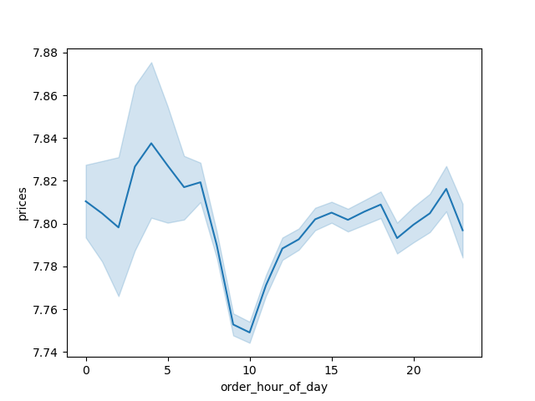

The busiest hours begin approximately between 7:00-17:00
Saturday and Sunday are the busiest days while the middle of the week sees less activity.
The cost of the product is dependant on the time of day. At 10 o'clock, the prices drop tp around 7.750 units and between 1 to 5, the prices escalate. There is a bit of uncertainty from 12 to 6. After that, the error bands indicate that the value should be very close to the line.

 |  |  |  | Key Questions
> | Instacart has a lot of products with different price tags. Marketing and sales want to use simpler price range groupings to help direct their efforts.
> | Are there certain types of products that are more popular than others? The marketing and sales teams want to know which departments have the highest frequency of product orders.

 |  | Distribution Per Department |  |  | Simpler Price Ranges
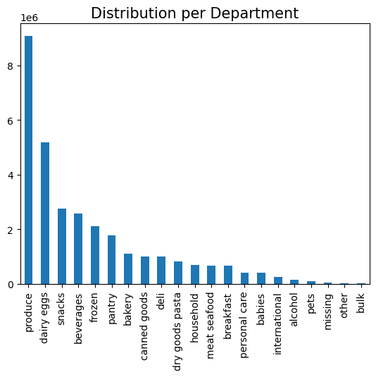
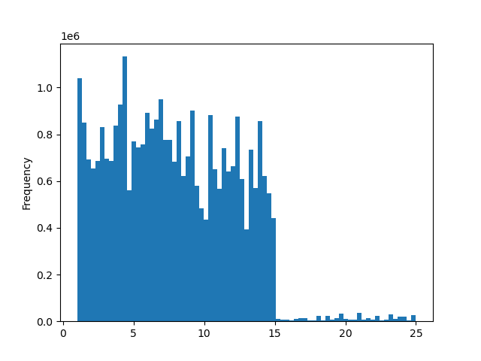
Orders Grouping Table:
Produce 9079273
Dairy eggs 5177182
Snacks 2766406
Beverages 2571901
Frozen 2121731
Pantry 1782705
Bakery 1120828
Canned goods 1012074
Deli 1003834
Dry goods pasta 822136
Household 699857
Meat seafood 674781
Breakfast 670850
Personal care 424306
Babies 410392
International 255991 Alcohol 144627
Pets 93060
Missing 64768
Other 34411
Bulk 33451
Pricing Grouping Table:
High range product : prices > 15
Mid range product : 5 < prices <= 15
Low range product : prices <= 5

Produce brings in the largest sales revenue, while pets brings in the lowest.
The Vast Majority of products are priced between $1 & $15

 |  |  |  | Key Questions
> | What’s the distribution among users in regards to their brand loyalty (i.e., how often do they return to Instacart)?

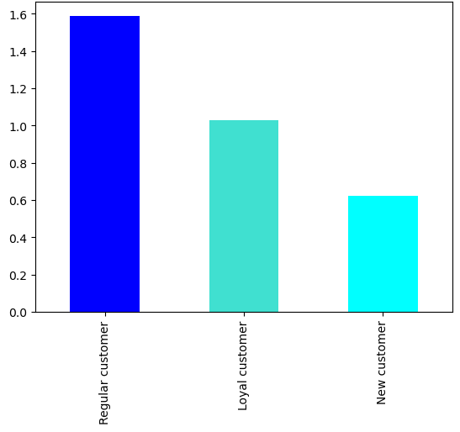
Regular customers order more than loyal and new customers.

 |  |  |  | Key Questions
> | Are there differences in ordering habits based on a customer’s region?

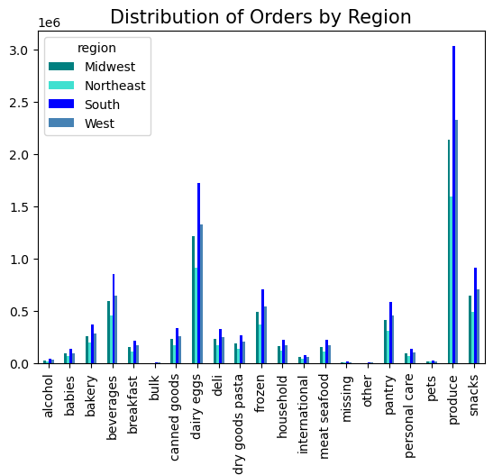
The Southern States spend the most.

 |  |  |  | Key Questions
> | Is there a connection between age and family status in terms of ordering habits?

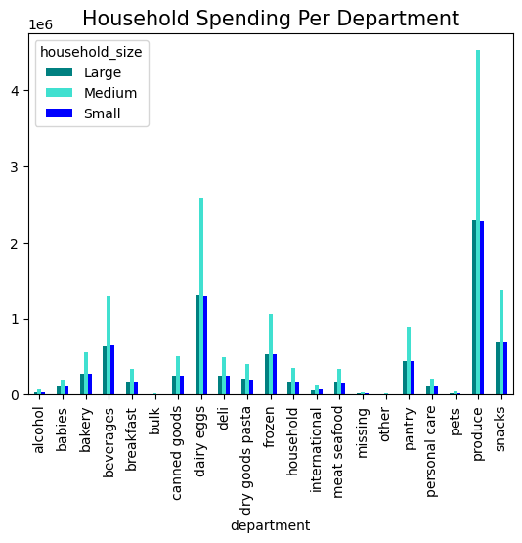

Medium sized Households order the most.

 |  |  |  | Key Questions
> | What different classifications does the demographic information suggest? Age? Income? Certain types of goods? Family status?

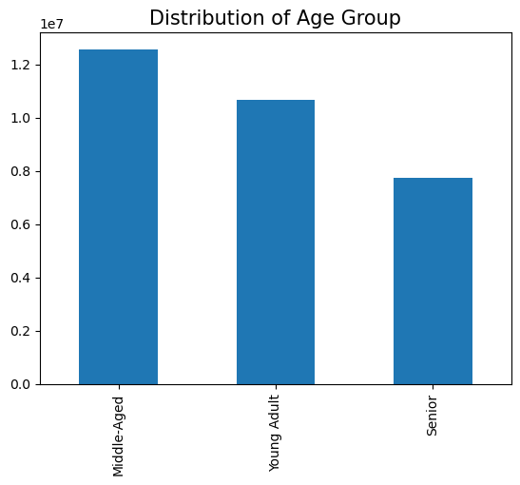
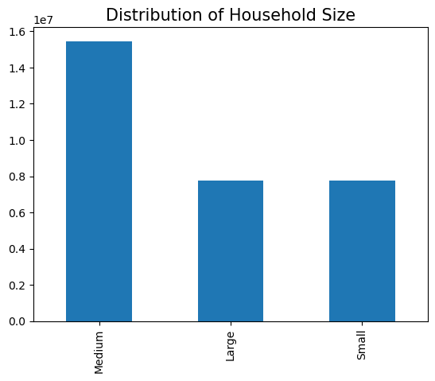
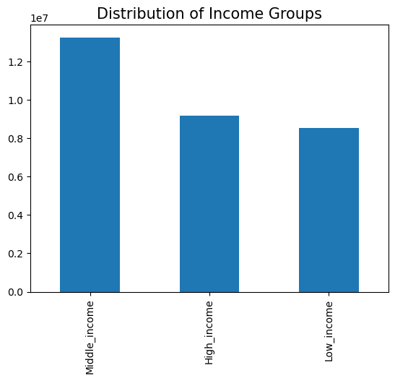

There are more Middle-aged clients
There are more Medium sized households
There are more clients with Middle class income.

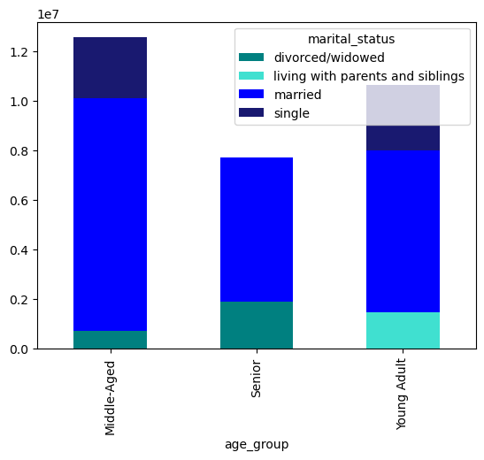

There are more married clients

7. Recommendations
 |  | Title page

Recommendations

In this tab you should include any recommendations you would made to Instcart in terms of their marketing strategy based on the questions posed in the brief. Every key question has been covered in the Tasks of the Exercises - here you need to add an item - a visualisation or table/crosstable that is showing the answer in the data, acompanied by a comment from you. Please, list the questions below and add the answer underneath.

Question | Answer
Key Question 1 | Saturday and Sunday are the busiest days while the middle of the week sees less activity. The marketing team could create promotional campaigns to bring in clients during these slow days.
Key Question 2 | The busiest hours begin approximately between 7:00-17:00 and peak at around 9:00. This seems like a very natural schedule. There may be promotional campaigns that can help bring clients in on "after-hours".
Key Question 3 | The Vast Majority of products are priced between $1 & $15 and these are reasonable prices for our client base.
Key Question 4 | Produce brings in the largest sales revenue, while pets brings in the lowest. Marketing may help push the revenue in these underperforming categories however, it may not be worth the cost because our customer base may not need these items.
Key Question 5 | Regular customers order more than loyal and new customers. This is also because they account for a larger portion of the client base.
Key Question 6 | The Southern States spend the most. This is because they have the largest customer base in the country.
Key Question 7 | There is no significant spending connection between age and family status. Because these groups hold a significantly larger amount of Instacart's client base, they will spend more money

Overrall: | I believe Instacart is doing well however there is room for improvement. By implementing targeted marketing and sales programs for their biggest client base: Middle-aged, married, middle-class families, They will effectively draw more business.

